LED Placement
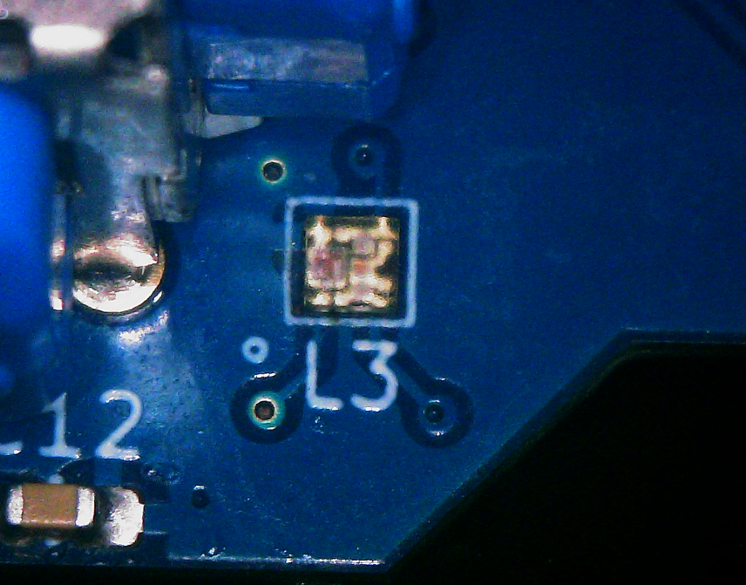
SK6805-EC-15

